20-04-2016_AM
 |  |  |  |  |  | STYLE |  |  |  | TB1297 |  |  |  |  |  |  |  |  |  |  |  |  |  |  | MEASUREMENT CHART

 |  |  |  |  |  | COLLECTION |  |  |  | UC |  |  |  | SEASON |  |  | FW16 |  | SUPPLIER NO. |  |  |  |  |  | SWEATS / PULLOVER / JACKETS
 |  |  |  |  |  | GENDER |  |  |  | LADIES |  | DATE |  | 2016-04-20 |  |  |  |  | SIGNATURE |  |  |  | AM

Fertigmaße in cm für Größe measurements in cm for size | CODE | TOLERANCE (+/-) | XS | IS | S | IS | M | IS | L | IS | XL | IS | XXL | IS | 3XL | IS | 4XL | IS | 5XL | IS | 6XL | IS |  | 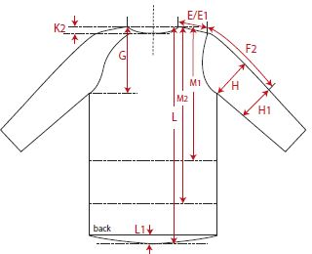 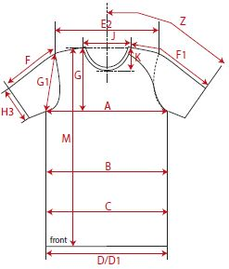

front length from HSP | M | 1 | 73.00 |  | 75.00 |  | 77.00 |  | 79.00 |  | 81.00
1/2 chest width | A | 1 | 34.50 |  | 37.00 |  | 39.50 |  | 42.00 |  | 44.50
shoulder to shoulder | E2 | 1 | 31.50 |  | 34.00 |  | 36.50 |  | 39.00 |  | 41.50
sleeve length from shoulder (set in) | F | 1 | 60.00 |  | 61.00 |  | 62.00 |  | 63.00 |  | 64.00

REMARK

