20-05-2016_AM
 |  |  |  |  |  | STYLE |  |  |  | TB1350 |  |  |  |  |  |  |  |  |  |  |  |  |  |  | MEASUREMENT CHART

 |  |  |  |  |  | COLLECTION |  |  |  | UC |  |  |  | SEASON |  |  | FW15 |  | SUPPLIER NO. |  |  |  |  |  | SWEATS / PULLOVER / JACKETS
 |  |  |  |  |  | GENDER |  |  |  | LADIES |  | DATE |  | 2016-05-20 |  |  |  |  | SIGNATURE |  |  |  | AM

Fertigmaße in cm für Größe measurements in cm for size | CODE | TOLERANCE (+/-) | XS | IS | S | IS | M | IS | L | IS | XL | IS | XXL | IS | 3XL | IS | 4XL | IS | 5XL | IS | 6XL | IS |  | 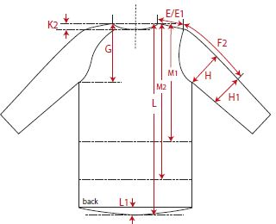 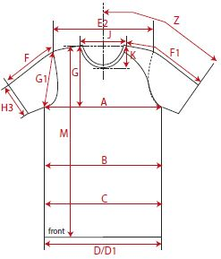

back length from C.B. | L2 | 1 | 81.00 |  | 83.00 |  | 85.00 |  | 87.00 |  | 89.00
1/2 chest width | A | 1 | 66.00 |  | 68.50 |  | 71.00 |  | 73.50 |  | 76.00
shoulder to shoulder | E2 | 1 | 42.50 |  | 45.00 |  | 47.50 |  | 50.00 |  | 52.50
sleeve length from shoulder (set in) | F | 1 | 63.00 |  | 64.00 |  | 65.00 |  | 66.00 |  | 67.00

REMARK

