25-05-2016_CB
 |  |  |  |  |  | STYLE |  |  |  | TB1351 |  |  |  |  |  |  |  |  |  |  |  |  |  |  | MEASUREMENT CHART

 |  |  |  |  |  | COLLECTION |  |  |  | UC |  |  |  | SEASON |  |  | FW16 |  | SUPPLIER NO. |  |  |  |  |  | SWEATS / PULLOVER / JACKETS
 |  |  |  |  |  | GENDER |  |  |  | LADIES |  | DATE |  | 2016-05-25 |  |  |  |  | SIGNATURE |  |  |  | CB

Fertigmaße in cm für Größe measurements in cm for size | CODE | TOLERANCE (+/-) | XS | IS | S | IS | M | IS | L | IS | XL | IS | XXL | IS | 3XL | IS | 4XL | IS | 5XL | IS | 6XL | IS |  | 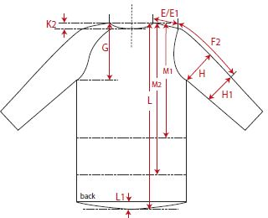 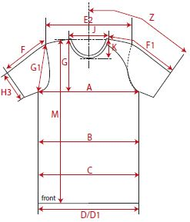

front length from HSP | M | 1 | 50.00 |  | 52.00 |  | 54.00 |  | 56.00 |  | 58.00
1/2 chest width | A | 1 | 46.50 |  | 49.00 |  | 51.50 |  | 54.00 |  | 56.50
shoulder to shoulder | E2 | 1 | 53.00 |  | 55.50 |  | 58.00 |  | 60.50 |  | 63.00
sleeve length from shoulder (set in) | F | 1 | 50.50 |  | 51.50 |  | 52.50 |  | 53.50 |  | 54.50

REMARK

