31-05-2016_MC AM
 |  |  |  |  |  | STYLE |  |  |  | TB1361 |  |  |  |  |  |  |  |  |  |  |  |  |  |  | MEASUREMENT CHART

 |  |  |  |  |  | COLLECTION |  |  |  | UC |  |  |  | SEASON |  |  | FW16 |  | SUPPLIER NO. |  |  |  |  |  | TROUSERS / PANTS/ SHORTS
 |  |  |  |  |  | GENDER |  |  |  | LADIES |  | DATE |  | 2016-05-31 |  |  |  |  | SIGNATURE |  |  |  | AM

Fertigmaße in cm für Größe measurements in cm for size | CODE | TOLERANCE (+/-) | 26 | IS | 27 | IS | 28 | IS | 29 | IS | 30 | IS | XXL | IS | 3XL | IS | 4XL | IS | 5XL | IS | 6XL | IS |  | 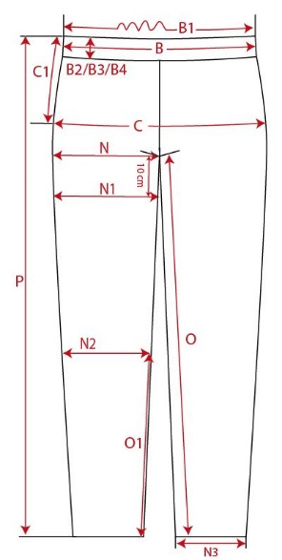

1/2 waistband width | B | 1 | 32.50 |  | 35.00 |  | 37.50 |  | 40.00 |  | 42.50
1/2 hip widh | C | 1 | 39.50 |  | 42.00 |  | 44.50 |  | 47.00 |  | 49.50
side length (incl. waistband) | P | 1 | 95.50 |  | 97.50 |  | 99.50 |  | 101.50 |  | 103.50

REMARK

