19-05-2016_CB
 |  |  |  |  |  | STYLE |  |  |  | TB1425 |  |  |  |  |  |  |  |  |  |  |  |  |  |  | MEASUREMENT CHART

 |  |  |  |  |  | COLLECTION |  |  |  | UC |  |  |  | SEASON |  |  | FW16 |  | SUPPLIER NO. |  |  |  |  |  | SWEATS / PULLOVER / JACKETS
 |  |  |  |  |  | GENDER |  |  |  | MEN |  | DATE |  | 2016-05-19 |  |  |  |  | SIGNATURE |  |  |  | CB

Fertigmaße in cm für Größe measurements in cm for size | CODE | TOLERANCE (+/-) | XS | IS | S | IS | M | IS | L | IS | XL | IS | XXL | IS | 3XL | IS | 4XL | IS | 5XL | IS | 6XL | IS |  | 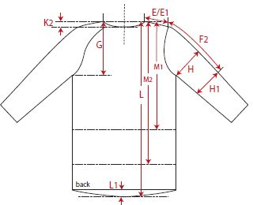 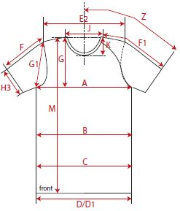

front length from HSP | M | 1 |  |  | 68.00 |  | 70.00 |  | 72.00 | -0.50 | 74.00 |  | 76.00
1/2 chest width | A | 1 |  |  | 49.00 |  | 52.00 |  | 55.00 | -0.50 | 58.00 |  | 61.00
sleeve length from HSP (raglan) | F1 | 1 |  |  | 75.00 |  | 77.50 |  | 80.00 | 0.00 | 82.50 |  | 85.00

REMARK

